Script
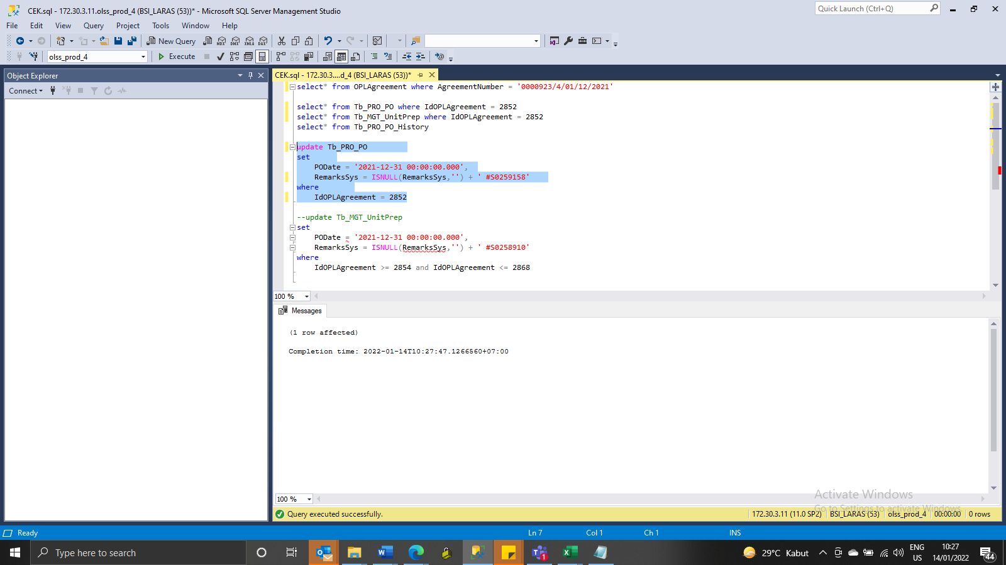
update Tb_PRO_PO
set
 | PODate = '2021-12-31 00:00:00.000',
 | RemarksSys = ISNULL(RemarksSys,'') + ' #S0259158'
where
 | IdOPLAgreement = 2852

SS
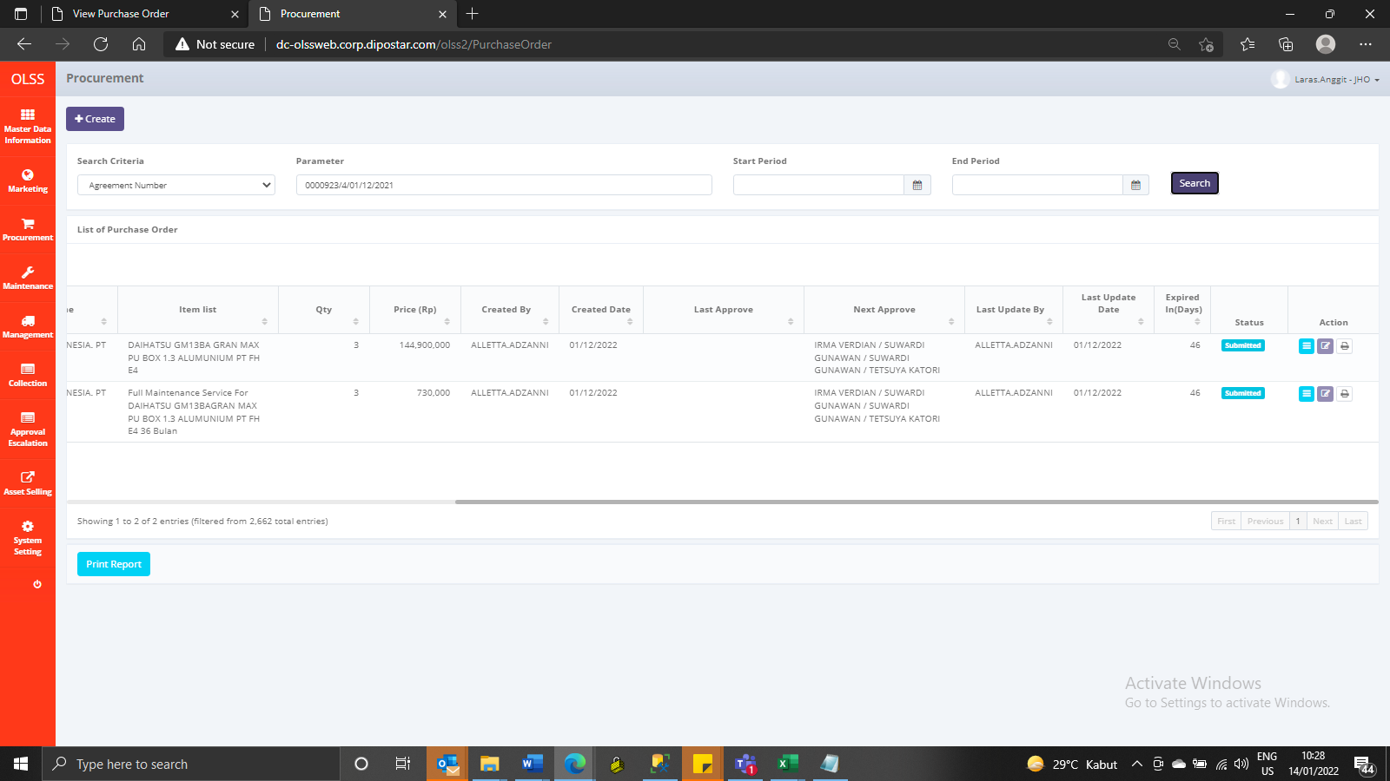
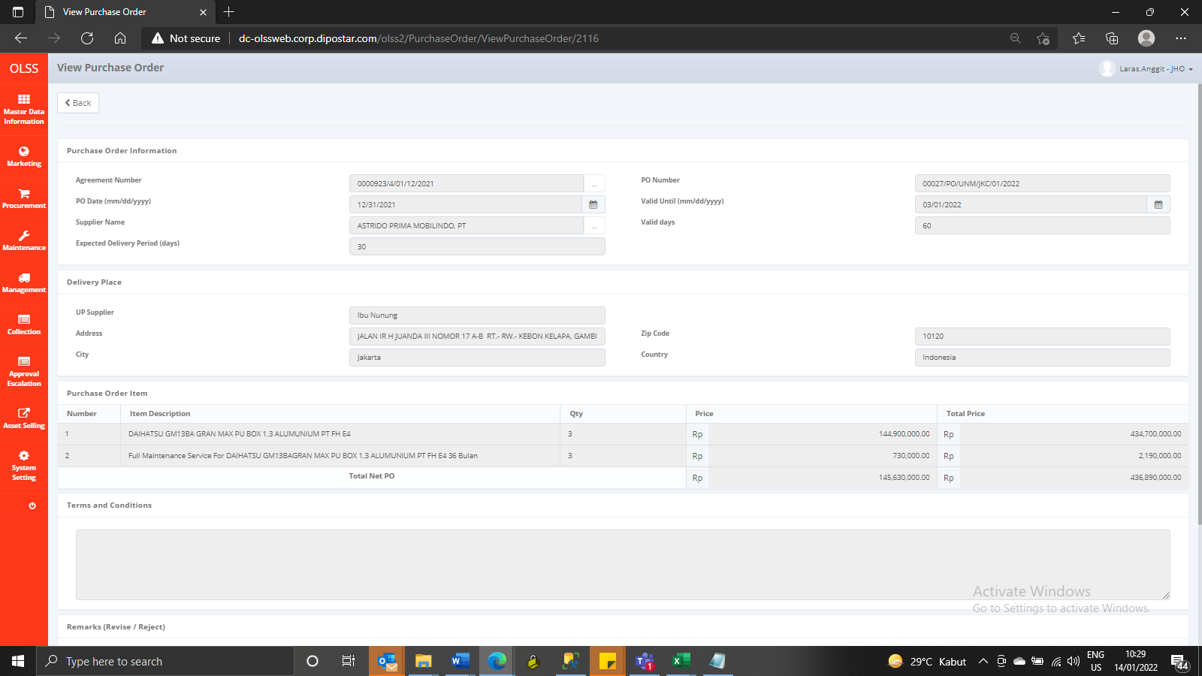
BEFORE
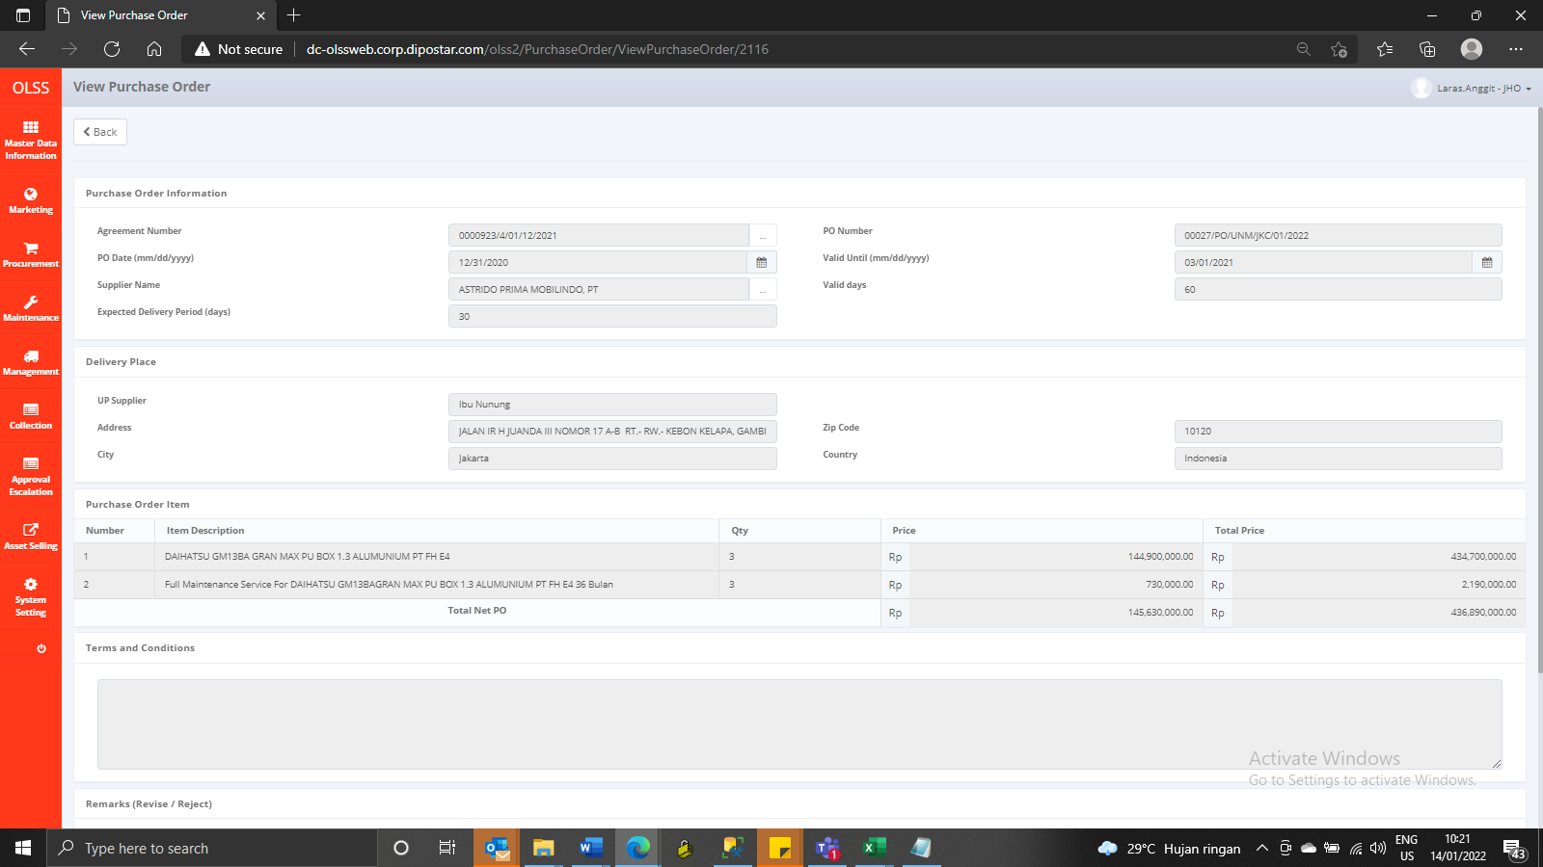
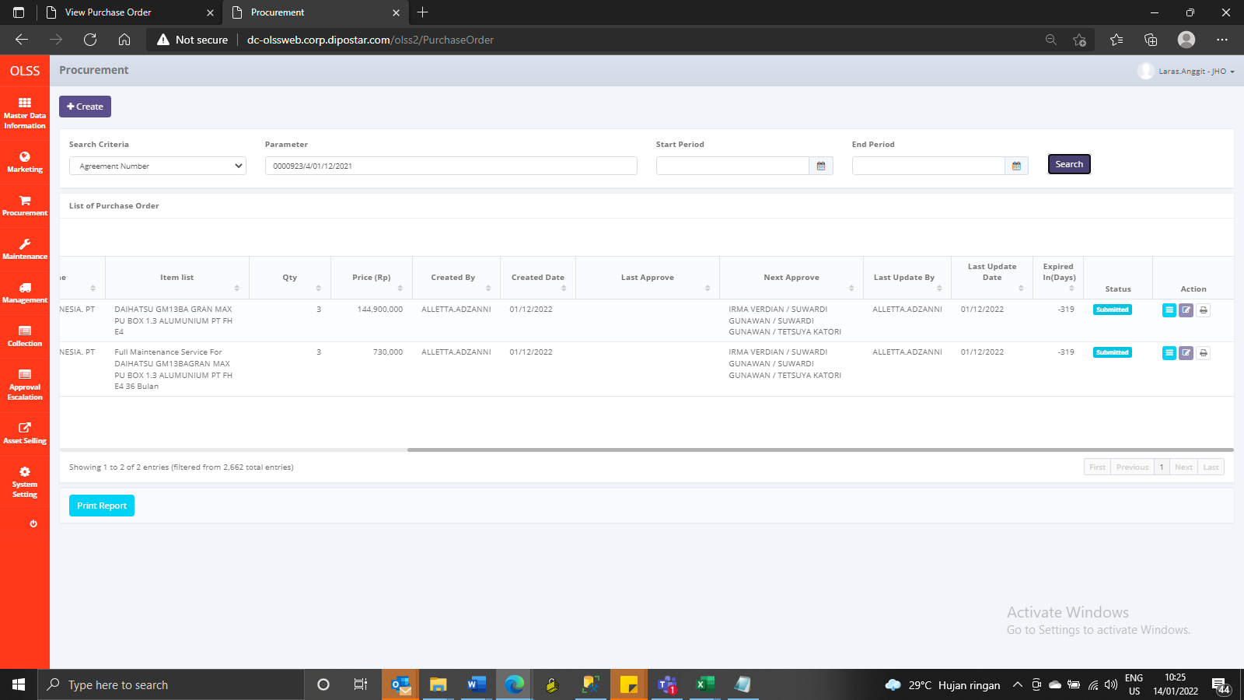

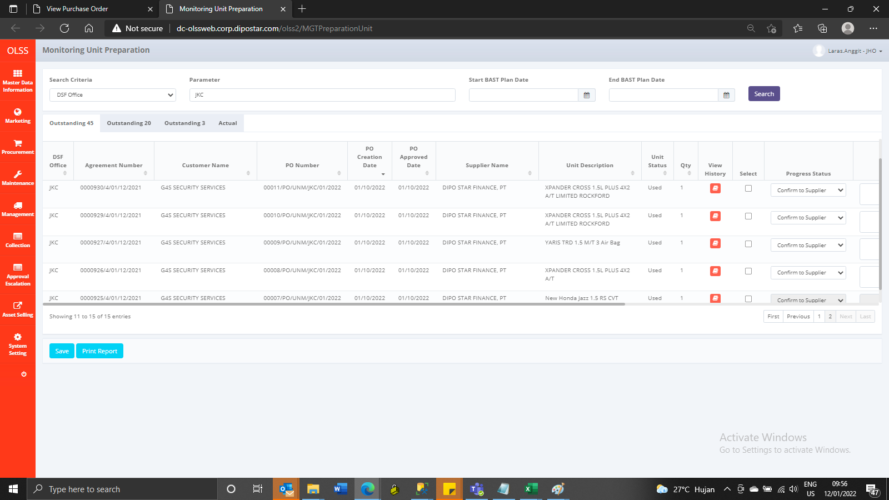

AFTER

